Instructions
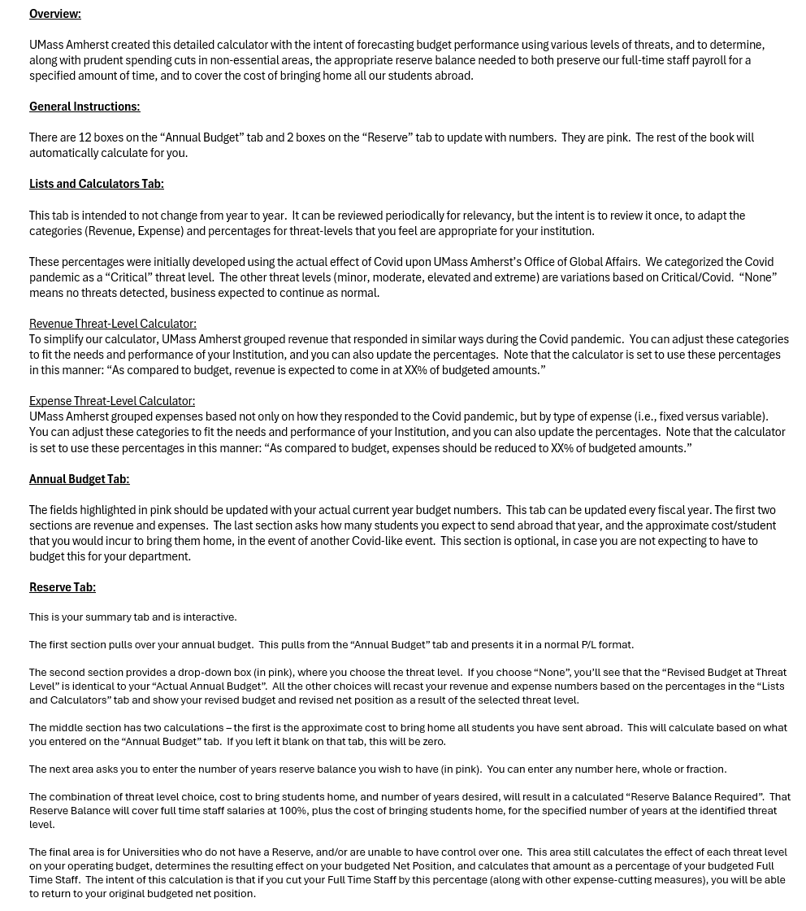

Lists and Calculators
Revenue | Expense | Threat_Level |  | Revenue Threat-Level Calculator
ISS Fee (Undergrads) | Expenses Directly Related to Revenue | None |  | Revenues will come in at X% of budgeted amounts. |  |  |  | COVID
Visa Processing Revenue | Fixed Expenses | Minor |  | None | Minor | Moderate | Elevated | Critical | Extreme
Study Abroad Revenue | Variable Expenses - Payroll | Moderate | ISS Fee (Undergrads) | 100% | 97% | 95% | 90% | 85% | 75%
Other Revenue | Variable Expenses - Other | Elevated | Visa Processing Revenue | 100% | 95% | 80% | 60% | 30% | 20%
 | Overhead | Critical | Study Abroad Revenue | 100% | 95% | 80% | 60% | 20% | 10%
 | Full Time Staff | Extreme | Other Revenue | 100% | 80% | 45% | 25% | 10% | 5%

The percentages here can be edited to fit your needs. Note that for UMass, the "Critical" threat level percentages best reflect our own situation from FY21 / COVID.
These are the threat level breakdowns that made sense to UMass Amherst. They can be altered to fit your needs.
 |  |  |  | Expense Threat-Level Calculator
 |  |  |  | Expenses should be reduced to X% of budgeted amounts. |  |  |  | COVID
 |  |  |  | None | Minor | Moderate | Elevated | Critical | Extreme
These are the categories of Revenue and Expense which made sense to UMass Amherst. They can be altered to fit your needs.
 |  |  | Expenses Directly Related to Revenue | 100% | 95% | 80% | 70% | 25% | 20%
 |  |  | Fixed Expenses | 100% | 100% | 100% | 100% | 100% | 100%
 |  |  | Variable Expenses - Payroll | 100% | 95% | 80% | 35% | 15% | 10%
 |  |  | Variable Expenses - Other | 100% | 95% | 80% | 35% | 10% | 10%
 |  |  | Overhead | 100% | 95% | 80% | 60% | 30% | 20%
 |  |  | Full Time Staff | 100% | 100% | 100% | 100% | 100% | 100%

Annual Budget
REVENUE |  |  | EXPENSES |  |  | STUDY ABROAD DATA

Revenue_Description | Revenue_Amount | Revenue_Category | Expense_Description | Expense_Amount | Expense_Category | Number of Students Abroad: | 1,400
ISS Fee (Undergrads) | 750,000 | ISS Fee (Undergrads) | Faculty Led Programming, Credit Card Fees, Incoming Exchange Students, Scholarships | 2,500,000 | Expenses Directly Related to Revenue
Other Revenue | 400,000 | Other Revenue | IT, Phones, Parking, Server Maintenance, Copier Lease, UPS, Software | 150,000 | Fixed Expenses
Study Abroad Revenue | 3,850,000 | Study Abroad Revenue | Payroll + Fringe, Full Time Staff | 1,600,450 | Full Time Staff | Cost/Student to Bring Home | $1,000
Visa Processing Revenue | 125,000 | Visa Processing Revenue | Administrative Overhead Assessed by University | 224,550 | Overhead
 | 5,125,000 |  | Programming, Marketing, Meals + Entertainment, Memberships, Events, Travel | 400,000 | Variable Expenses - Other
 |  |  | Student workers, temporary staff | 250,000 | Variable Expenses - Payroll
This way of dividing revenue made the most sense to UMass Amherst, based on how COVID affected each area of our revenue. It can be adapted to your University's needs.
 |  |  |  | 5,125,000

Enter approximate number of students you send abroad each year, and your best guess as to cost per student to bring them home. This should be factored into your reserve requirements, and is arguably the most defendible part of your reserve balance.

This way of dividing expenses made the most sense to UMass Amherst. it is assumed that some expenses will go down in tandem with missed revenues. Some expenses are fixed, like leases or maintenance contracts. Others, like travel or marketing, can be cut quickly and deeply. The overall goal for UMass is to preserve salary for all full time staff, to the best of our ability.

